Daily_Digest
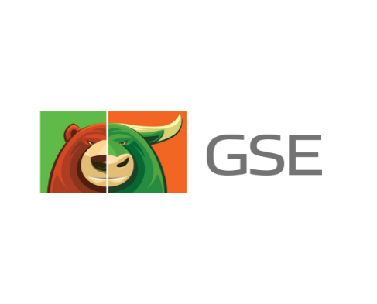
GSE: Daily Digest
2021-11-04
 |  | GIFTY 50 |  |  |  | Top Gainers (GIFTY 50)
 |  | 155817.30 | 0.54 | +835.85 | 0.54% | Symbol | Gain (%) | Gain (Price)
 |  |  |  |  |  | EICHERMOT | 5.54 | 139.75
 | Closing Price
04-11-2021 | 155817.3
03-11-2021 | 154981.45
02-11-2021 | 154925.5
29-10-2021 | 153856.2
28-10-2021 | 153715.4
27-10-2021 | 154605.65
26-10-2021 | 154937.7
25-10-2021 | 152651.35
22-10-2021 | 154744.55
21-10-2021 | 155291.35
20-10-2021 | 155710.4
19-10-2021 | 157412.45
18-10-2021 | 158662.25
14-10-2021 | 158001.75
13-10-2021 | 157081.35
12-10-2021 | 156619.35
11-10-2021 | 155642.8
08-10-2021 | 154674.4
07-10-2021 | 154952.6
06-10-2021 | 154270.75
05-10-2021 | 156385.95
04-10-2021 | 156501.05
01-10-2021 | 154858.4
30-09-2021 | 155475.15
29-09-2021 | 156094.15
28-09-2021 | 156391.35
27-09-2021 | 157782.6
24-09-2021 | 158138.7
23-09-2021 | 158647.3
22-09-2021 | 156971.95
21-09-2021 | 157396.25
20-09-2021 | 156219.85
17-09-2021 | 157424.45
16-09-2021 | 157482.8
15-09-2021 | 157998.75
14-09-2021 | 157239.6
13-09-2021 | 157355.2
09-09-2021 | 156955.75
08-09-2021 | 156336.95
07-09-2021 | 157217.7
06-09-2021 | 156965.25
03-09-2021 | 156725.8
02-09-2021 | 156012.95
01-09-2021 | 153058.75
31-08-2021 | 152939.2
30-08-2021 | 150139
27-08-2021 | 148348.25
26-08-2021 | 147112.7
25-08-2021 | 146830.85
24-08-2021 | 147402
...
 |  |  |  |  |  | M&M | 2.81 | 23.85
 |  |  |  |  |  | ITC | 1.84 | 4.1
 |  |  |  |  |  | BAJAJ-AUTO | 1.65 | 60.95
 |  |  |  |  |  | IOC | 1.58 | 2.1

 |  |  |  |  |  | Top Losers (GIFTY 50)
 |  |  |  |  |  | Symbol | Loss (%) | Loss (Price)
 | Summary |  |  |  |  | HINDALCO | -1.19 | -5.7
 | 1. Markets ended up about 0.54%. |  |  |  |  | ICICIBANK | -0.49 | -3.85
 | 2. Top gainer is EICHERMOT. |  |  |  |  | ASIANPAINT | -0.36 | -11.4
 | 3. Top loser is HINDALCO. |  |  |  |  | JSWSTEEL | -0.24 | -1.6
 |  |  |  |  |  | CIPLA | -0.21 | -1.95

 |  |  |  |  |  | GIFTY 50 Returns
 |  |  |  |  |  | 1 year | 44.21%
 |  |  |  |  |  | YTD | 25.64%

 | NOTE: This Daily Digest will be sent to the GSE subscribers after the market closes everyday at 7:00 pm IST

